Fixed Assets Guide
State of Arizona
Closing Package
F – FIXED ASSETS
Fixed Assets Guide
FY23 - Updated 06/2023

 | GENERAL INFORMATION

 | On July 19, 2023* the PUBLISHED report, "XXX AM-N598 FY23 Closing Package" (“XXX” being your agency’s ID) containing your agency's Fiscal Year 2023 fixed asset activity will be available under:

 | Public Folders > Statewide Reports > Asset Management > FY23 FA Closing Package

 | *This report is scheduled to run approximately two days after fiscal year-end Soft Close occurs. If Soft Close is postponed, this report will be also.

 | The AM-N598 report is a comprehensive summary fixed asset report containing Fixed Asset Closing Package Forms 44, 46, 48, 49, and 50. Forms 46, 48, and 49 are pre-populated with your agency's fixed asset information from AFIS. Please download this report and follow the instructions as indicated.

 | The published FIN-AZ-AM-N598 report summarizes activity from the following on demand reports:
 | • | FIN-AZ-AM-N599 Fixed Asset Acquisitions
 | • | FIN-AZ-AM-N542 Asset Expenditures by Period
 | • | FIN-AZ-AM-N602 Fixed Asset Disposals
 | • | FIN-AZ-AM-N603 Fixed Asset Accumulated Depreciation
 | • | FIN-AZ-AM-N610 Asset Listing

 | When finished, email a copy of the AM-N598 closing package to ACFR@azdoa.gov.

 | To review your agency's fixed asset activity prior to year end, before receiving the published AM-N598 report, refer to the on demand Statewide FIN-AZ-AM-N626 Fixed Assets Summary report. The report is designed to provide a point-in-time summary of AFIS balances at an interim date before fiscal year end. Agencies can use the report as part of their monthly fixed asset reconciliation, before the end of the fiscal year, to ensure that AFIS is up to date for gross fixed assets and accumulated depreciation.

 | Please note that the FIN-AZ-AM- N626 report does not replace the AM-N598 FY23 Closing Package, which is required to be completed and submitted.

 | HOW TO OPEN AND EDIT THE AM-N598 FY23 CLOSING PACKAGE IN GOOGLE SHEETS

 | Many state agencies now use Google Sheets instead of Microsoft Excel. Although the published AM-N598 FY23 Closing Package is in Excel format, it can still be opened and edited in Google Sheets by following the steps below:

 | 1. | Navigate to Google Sheets. (http://www.google.com/sheets)
 |  |  | If you are not already logged in to Google, you will need to log in.


 | 2. | Open the File in Google Sheets.
 |  |  | Drag the Excel document from your computer into Google Sheets. This will open the file in Google Sheets.
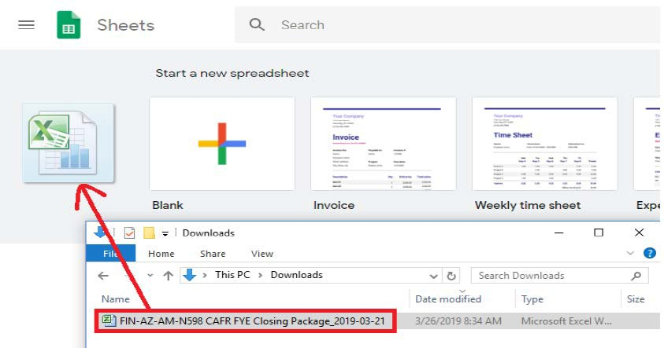

 | 3. | Alternate method using Google Drive. (http://drive.google.com)
 |  |  | Alternatively, you can upload the Excel file into your Google Drive and it when opened from Drive, it will allow you to open into Google Sheets.

 | Please send questions regarding the closing package to ACFR@azdoa.gov.

